Question3
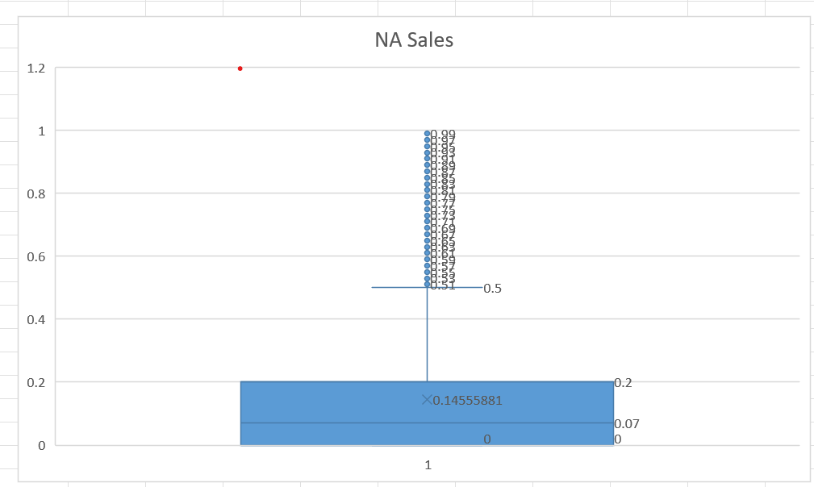

Q1 | 0.2
Q3 | 0
MEAN | 0.1455
MEDIAN | 0.07

Question4
Row Labels | Sum of NA_Sales | Sum of EU_Sales | Sum of JP_Sales | Sum of Other_Sales
Action | 877.83 | 525 | 159.95 | 192.79
Adventure | 105.77 | 64.1 | 51.55 | 19.22
Fighting | 223.59 | 101.32 | 87.35 | 37.88
Misc | 410.24 | 215.98 | 107.76 | 79.51
Platform | 447.05 | 201.63 | 130.77 | 52.07
Puzzle | 123.78 | 50.78 | 57.31 | 13.72
Racing | 359.42 | 238.39 | 56.69 | 77.82
Role-Playing | 327.28 | 188.06 | 352.31 | 63.22
Shooter | 582.6 | 313.27 | 38.28 | 103.09
Simulation | 183.31 | 113.38 | 63.7 | 33.65
Sports | 683.35 | 376.85 | 135.37 | 136.73
Strategy | 68.7 | 45.34 | 49.46 | 12.14
(blank) | 0.03 | 0.93 | 0.8 | 0.4
Grand Total | 4392.95 | 2435.03 | 1291.3 | 822.24

Question5
Shooter Games : NA & Global Sales
 | Global_Sales
26.93 | 28.31
9.03 | 14.76
9.67 | 14.64
5.77 | 14.24
4.99 | 14.03
8.25 | 13.73
8.52 | 13.51
5.54 | 13.46
5.98 | 12.73
7.97 | 12.14
4.99 | 10.69
6.72 | 10.21
7.03 | 9.88
6.63 | 9.76
4.09 | 9.59
5.91 | 9.32
6.82 | 8.49
5.8 | 8.09
2.93 | 7.67
2.8 | 7.6
4.79 | 7.37
4.46 | 7.34
4.52 | 7.3
2.85 | 7.23
2.93 | 6.83
4.15 | 6.76
3.1 | 6.72
4.98 | 6.43
4.34 | 6.36
4.05 | 6.24
3.54 | 6.11
2.49 | 5.65
2.72 | 5.43
1.98 | 5.13
3.21 | 5.13
3.06 | 5
1.55 | 4.57
1.54 | 4.45
1.73 | 4.35
2.75 | 4.31
4 | 4.31
2.64 | 4.26
1.3 | 4.2
4.03 | 4.12
1.12 | 4.03
2.78 | 4.03
2.67 | 3.99
1.3 | 3.69
2.53 | 3.65
1.78 | 3.63
...

